Sheet1
Project : | Opportunity to open new restaurant around Kasetsart University Thailand

Introduction : | Everyday people must be eat food , it's basic factors for living . When i study in university I have seen a

 | lot of restaurant open and close a lot for 4 years , Now a lot of them still open but if it already have it a lot,

 | is it still have an opportunity to open new restaurant around university.

 | so this is my inspiration in my project "Opportunity to open new restaurant around Kasetsart University Thailand "

Business Problem : | I think about business problem and list in question to solve answer .

 | 1. Where is the location for open new restaurant ?

 | 2. What is popular food for student ?

 | 3. How many is restaurant around Kasetsart University ?

 | 4. How many kind of restaurant around Kasetsart University ?

Data : | In my project "Opportunity to open new restaurant around Kasetsart University Thailand" , I think found list of data in below

 | 1. Data number of restaurant around Kasetsart University.

 | 2. Data location restaurant around Kasetsart University .

 | 3. Data number of student in Kasetsart University ( effect to size of restaurant ) .

 | 4. Data kind of popular food from student .

 | 5. Trends of demands food from student .

 | in above a lot of data i think scout from Foursquare API and outsource.

Results : | Data summary

 | 1. Number of restaurant near Kasetsart University |  | 2. Average distance each restaurant
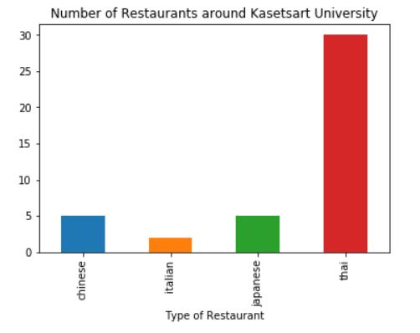
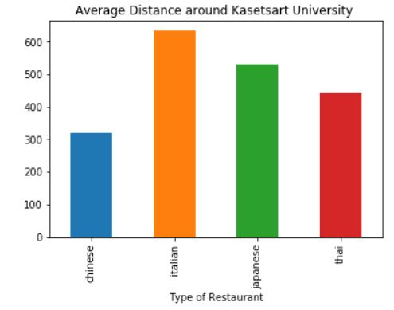

 | Type food | No. | Type food | distance
 | Chinese | 5 | Chinese | 319
 | Italian | 2 | Italian | 633.5
 | Japanese | 5 | Japanese | 531.4
 | Thai | 30 | Thai | 442.5

 | 3. Map

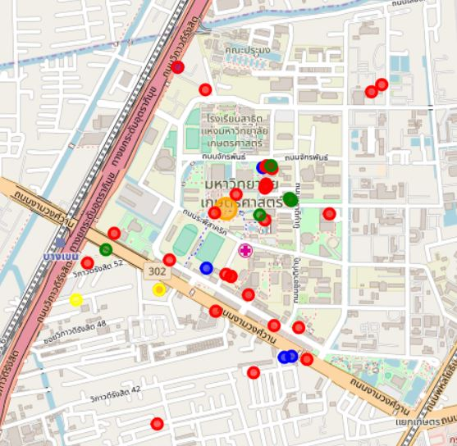

 |  |  |  |  | Remark
 |  |  |  |  | Red | = | Thai
 |  |  |  |  | Green | = | Japan
 |  |  |  |  | Yellow | = | Italian
 |  |  |  |  | Blue | = | Chinese

Conclusion : | I see the opertinity in italian restaurant the most because it's have only 2 restaurant (Lower) near to the Kasetsart university .

 | And average distance from university have more than any restaurant (Chinese , japan, thai )

